CCR_BTM
Capital Charge Rates

Assumptions |  |  | Battery
Debt % |  | DbtRt | 51.5%
Interest |  | Int | 5.19%
Equity return |  | EqRet | 8.69%
Federal Income Tax Rate |  | FITR | 21.0%
State Income Tax Rate |  | SITR | 9.50% | https://www.solar.com/learn/federal-solar-tax-credit-steps-down/
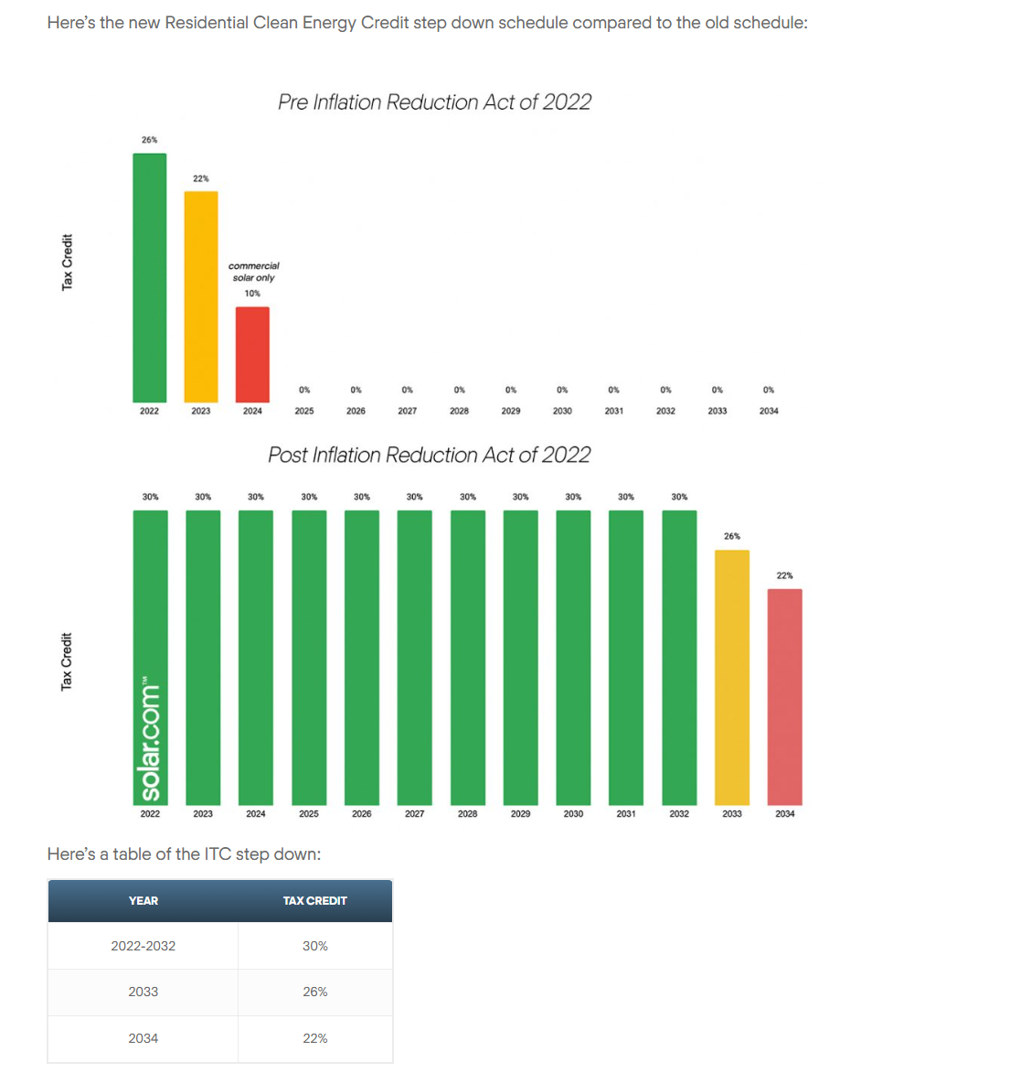
Book Life |  | BL | 20
Tax Life (MACRS) |  | TL | 5
ITC Rate |  | ITCR | 30.0%
Inflation |  | Inf | 2.50%
Declining Bal Rate |  | DBR | 200%
PV of Depreciation |  | PVDpr | 0.8174
Effective Income Tax Rate |  | EITR | 28.51%
Nominal WACC (A/T) |  | NWACC | 6.13%
Nominal CCR |  | NCCR | 0.0661
Real WACC (A/T) |  | RWACC | 3.54%
Real CCR |  | RCCR | 0.0530

Year | DepFctr
0
1 | 0.1400
2 | 0.2408
3 | 0.1734
4 | 0.1248
5 | 0.1498
6 | 0.1198
7 | 0.0360
8 | 0.0108
9 | 0.0032
10 | 0.0010
11 | 0.0003
12 | 0.0001
13 | 0.0000
14 | 0.0000
15 | 0.0000
16 | 0.0000
17 | 0.0000
18 | 0.0000
19 | 0.0000
20 | 0.0000
21 | 0.0000
22 | 0.0000
23 | 0.0000
24 | 0.0000
25 | 0.0000
26 | 0.0000
27 | 0.0000
28 | 0.0000
29 | 0.0000
30 | 0.0000
31 | 0.0000
32 | 0.0000
33 | 0.0000
34 | 0.0000
35 | 0.0000
36 | 0.0000
37 | 0.0000
38 | 0.0000
39 | 0.0000
40 | 0.0000

PV | 0.8174

Battery_Cum_Graph
 | Battery - 4 Hours_PJM | Battery - 4 Hours_MISO | Battery - 10 Hours_PJM | Battery - 10 Hours_MISO
2030 | 430 | 1030 | 20 | 20
2031 | 880 | 2080 | 20 | 20
2032 | 1180 | 2780 | 20 | 20
2033 | 1480 | 3480 | 20 | 20
2034 | 1855 | 4355 | 20 | 20
2035 | 2230 | 5230 | 20 | 20

EIA AEO 2023==>
Weblink: | https://www.eia.gov/outlooks/aeo/assumptions/

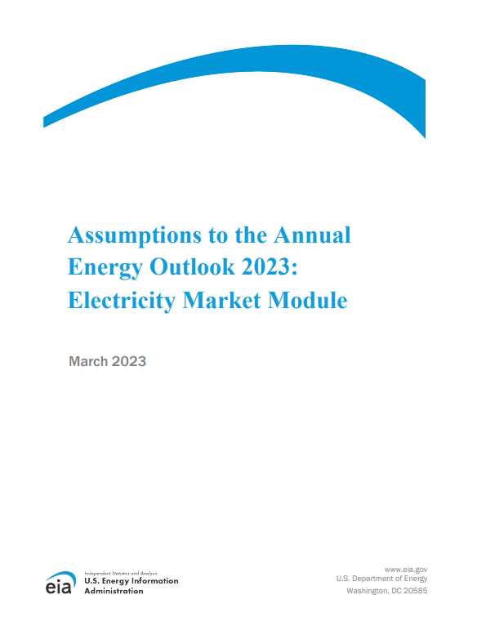

EIA_AEO_2023_Table 3
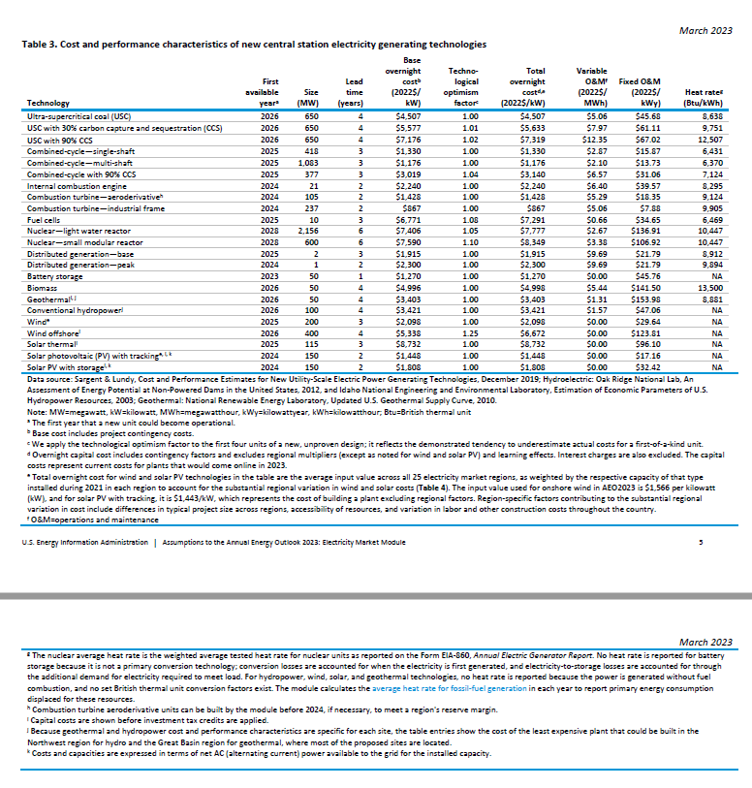
Table 3. Cost and performance characteristics of new central station electricity generating technologies
Technology | First available yeara | Size (MW) | Lead time (years) | Base overnight costb (2022$/ kW) | Techno- logical optimism factorc | Total overnight costd,e (2022$/kW) | Variable O&Mf (2022$/ MWh) | Fixed O&M (2022$/ kWy) | Heat rateg (Btu/kWh)
Ultra-supercritical coal (USC) | 2026 | 650 | 4 | $4,507 | 1.00 | $4,507 | $5.06 | $45.68 | 8,638
USC with 30% carbon capture and sequestration (CCS) | 2026 | 650 | 4 | $5,577 | 1.01 | $5,633 | $7.97 | $61.11 | 9,751
USC with 90% CCS | 2026 | 650 | 4 | $7,176 | 1.02 | $7,319 | $12.35 | $67.02 | 12,507
Combined-cycle—single-shaft | 2025 | 418 | 3 | $1,330 | 1.00 | $1,330 | $2.87 | $15.87 | 6,431
Combined-cycle—multi-shaft | 2025 | 1,083 | 3 | $1,176 | 1.00 | $1,176 | $2.10 | $13.73 | 6,370
Combined-cycle with 90% CCS | 2025 | 377 | 3 | $3,019 | 1.04 | $3,140 | $6.57 | $31.06 | 7,124
Internal combustion engine | 2024 | 21 | 2 | $2,240 | 1.00 | $2,240 | $6.40 | $39.57 | 8,295
Combustion turbine—aeroderivativeh | 2024 | 105 | 2 | $1,428 | 1.00 | $1,428 | $5.29 | $18.35 | 9,124
Combustion turbine—industrial frame | 2024 | 237 | 2 | $867 | 1.00 | $867 | $5.06 | $7.88 | 9,905
Fuel cells | 2025 | 10 | 3 | $6,771 | 1.08 | $7,291 | $0.66 | $34.65 | 6,469
Nuclear—light water reactor | 2028 | 2,156 | 6 | $7,406 | 1.05 | $7,777 | $2.67 | $136.91 | 10,447
Nuclear—small modular reactor | 2028 | 600 | 6 | $7,590 | 1.10 | $8,349 | $3.38 | $106.92 | 10,447
Distributed generation—base | 2025 | 2 | 3 | $1,915 | 1.00 | $1,915 | $9.69 | $21.79 | 8,912
Distributed generation—peak | 2024 | 1 | 2 | $2,300 | 1.00 | $2,300 | $9.69 | $21.79 | 9,894
Battery storage | 2023 | 50 | 1 | $1,270 | 1.00 | $1,270 | $0.00 | $45.76 | NA
Biomass | 2026 | 50 | 4 | $4,996 | 1.00 | $4,998 | $5.44 | $141.50 | 13,500
Geothermali, j | 2026 | 50 | 4 | $3,403 | 1.00 | $3,403 | $1.31 | $153.98 | 8,881
Conventional hydropowerj | 2026 | 100 | 4 | $3,421 | 1.00 | $3,421 | $1.57 | $47.06 | NA
Winde | 2025 | 200 | 3 | $2,098 | 1.00 | $2,098 | $0.00 | $29.64 | NA
Wind offshorei | 2026 | 400 | 4 | $5,338 | 1.25 | $6,672 | $0.00 | $123.81 | NA
Solar thermali | 2025 | 115 | 3 | $8,732 | 1.00 | $8,732 | $0.00 | $96.10 | NA
Solar photovoltaic (PV) with trackinge, i, k | 2024 | 150 | 2 | $1,448 | 1.00 | $1,448 | $0.00 | $17.16 | NA
Solar PV with storagei, k | 2024 | 150 | 2 | $1,808 | 1.00 | $1,808 | $0.00 | $32.42 | NA

Data source: Sargent & Lundy, Cost and Performance Estimates for New Utility-Scale Electric Power Generating Technologies, December 2019; Hydroelectric: Oak Ridge National Lab, An Assessment of Energy Potential at Non-Powered Dams in the United States, 2012, and Idaho National Engineering and Environmental Laboratory, Estimation of Economic Parameters of U.S. Hydropower Resources, 2003; Geothermal: National Renewable Energy Laboratory, Updated U.S. Geothermal Supply Curve, 2010.
Note: MW=megawatt, kW=kilowatt, MWh=megawatthour, kWy=kilowattyear, kWh=kilowatthour; Btu=British thermal unit
a The first year that a new unit could become operational.
b Base cost includes project contingency costs.
c We apply the technological optimism factor to the first four units of a new, unproven design; it reflects the demonstrated tendency to underestimate actual costs for a first-of-a-kind unit.
d Overnight capital cost includes contingency factors and excludes regional multipliers (except as noted for wind and solar PV) and learning effects. Interest charges are also excluded. The capital costs represent current costs for plants that would come online in 2023.
e Total overnight cost for wind and solar PV technologies in the table are the average input value across all 25 electricity market regions, as weighted by the respective capacity of that type installed during 2021 in each region to account for the substantial regional variation in wind and solar costs (Table 4). The input value used for onshore wind in AEO2023 is $1,566 per kilowatt (kW), and for solar PV with tracking, it is $1,443/kW, which represents the cost of building a plant excluding regional factors. Region-specific factors contributing to the substantial regional variation in cost include differences in

EIA_AEO_2023_Table 4
Table 4. Total overnight capital costs of new electricity generating technologies by region 2022 dollars per kilowatt

Counter | 1 | 2 | 3 | 4 | 5 | 6 | 7 | 8 | 9 | 10 | 11 | 12 | 13 | 14 | 15 | 16 | 17 | 18 | 19 | 20 | 21 | 22 | 23 | 24 | 25
Abbreviation | TRE | FRCC | MISW | MISC | MISE | MISS | ISNE | NYCW | NYUP | PJME | PJMW | PJMC | PJMD | SRCA | SRSE | SRCE | SPPS | SPPC | SPPN | SRSG | CANO | CASO | NWPP | RMRG | BASN
NERC/ISO subregion name | Texas Reliability Entity | Florida Reliability Coordinating Council | Midcontinent ISO/West | Midcontinent ISO/Central | Midcontinent ISO/East | Midcontinent ISO/South | Northeast Power Coordinating Council/ New England | Northeast Power Coordinating Council/ New York City & Long Island | Northeast Power Coordinating Council/Upstate New York | PJM/East | PJM/West | PJM/Commonwealth Edison | PJM/Dominion | SERC Reliability Corporation/East | SERC Reliability Corporation/Southeast | SERC Reliability Corporation/Central | Southwest Power Pool/South | Southwest Power Pool/Central | Southwest Power Pool/North | Western Electricity Coordinating Council/Southwest | Western Electricity Coordinating Council/California North | Western Electricity Coordinating Council/California South | Western Electricity Coordinating Council/Northwest Power Pool | Western Electricity Coordinating Council/Rockies | Western Electricity Coordinating Council/Basin
Geographic name | Texas | Florida | Upper Mississippi Valley | Middle Mississippi Valley | Michigan | Mississippi Delta | New England | Metropolitan New York | Upstate New York | Mid-Atlantic | Ohio Valley | Metropolitan Chicago | Virginia | Carolinas | Southeast | Tennessee Valley | Southern Great Plains | Central Great Plains | Northern Great Plains | Southwest | Northern California | Southern California | Northwest | Rockies | Great Basin
Technology
USC | $4,188 | $4,311 | $4,711 | $4,835 | $4,892 | $4,334 | $5,222 | NA | $5,104 | $5,269 | $4,495 | $5,664 | $4,851 | $4,337 | $4,401 | $4,460 | $4,366 | $4,638 | $4,415 | $4,600 | NA | NA | $4,874 | $4,556 | $4,754
USC with 30% CCS | $5,281 | $5,421 | $5,852 | $6,011 | $6,058 | $5,456 | $6,463 | NA | $6,334 | $6,504 | $5,632 | $6,914 | $6,055 | $5,460 | $5,511 | $5,593 | $5,475 | $5,778 | $5,526 | $5,765 | NA | NA | $6,059 | $5,704 | $5,918
USC with 90% CCS | $6,907 | $7,083 | $7,558 | $7,812 | $7,820 | $7,152 | $8,281 | NA | $8,068 | $8,294 | $7,292 | $8,831 | $7,750 | $7,165 | $7,228 | $7,313 | $7,127 | $7,489 | $7,178 | $7,466 | NA | NA | $7,833 | $7,355 | $7,697
CC—single-shaft | $1,200 | $1,225 | $1,366 | $1,379 | $1,414 | $1,236 | $1,594 | $2,116 | $1,599 | $1,597 | $1,324 | $1,600 | $1,524 | $1,220 | $1,235 | $1,273 | $1,234 | $1,309 | $1,222 | $1,201 | $1,759 | $1,719 | $1,399 | $1,132 | $1,224
CC—multi-shaft | $1045 | $1072 | $1,215 | $1,236 | $1,268 | $1084 | $1,393 | $1,909 | $1,370 | $1,401 | $1,147 | $1,469 | $1,295 | $1071 | $1085 | $1,124 | $1083 | $1,163 | $1074 | $1034 | $1,547 | $1,504 | $1,213 | $974 | $1092
CC with 90% CCS | $2,945 | $2,972 | $3,175 | $3,182 | $3,231 | $2,999 | $3,334 | $3,776 | $3,258 | $3,307 | $3,041 | $3,447 | $3,168 | $2,962 | $2,977 | $3,044 | $2,966 | $3,065 | $2,921 | $2,702 | $3,389 | $3,351 | $3,126 | $2,541 | $2,854
ICE | $2,106 | $2,152 | $2,300 | $2,391 | $2,365 | $2,182 | $2,451 | $3,073 | $2,359 | $2,452 | $2,197 | $2,673 | $2,282 | $2,194 | $2,200 | $2,238 | $2,178 | $2,295 | $2,200 | $2,221 | $2,661 | $2,613 | $2,367 | $2,192 | $2,347
CT—aeroderivative | $1,263 | $1,289 | $1,494 | $1,498 | $1,543 | $1,316 | $1,607 | $2,057 | $1,551 | $1,598 | $1,370 | $1,755 | $1,454 | $1,309 | $1,320 | $1,370 | $1,318 | $1,411 | $1,327 | $1,198 | $1,687 | $1,645 | $1,480 | $1,159 | $1,322
CT—industrial frame | $764 | $781 | $907 | $911 | $939 | $798 | $978 | $1,262 | $942 | $973 | $830 | $1072 | $883 | $793 | $801 | $831 | $799 | $857 | $804 | $726 | $1031 | $1004 | $900 | $702 | $803
Fuel cells | $6,996 | $7,105 | $7,430 | $7,750 | $7,603 | $7,224 | $7,887 | $9,285 | $7,567 | $7,819 | $7,204 | $8,337 | $7,425 | $7,277 | $7,271 | $7,371 | $7,144 | $7,443 | $7,209 | $7,309 | $8,375 | $8,278 | $7,655 | $7,169 | $7,636
Nuclear—light water reactor | $7,341 | $7,499 | $7,917 | $8,637 | $8,330 | $7,744 | $8,809 | NA | $8,219 | $8,608 | $7,608 | $9,465 | $7,918 | $7,843 | $7,782 | $8,035 | $7,530 | $7,962 | $7,527 | $7,808 | NA | NA | $8,451 | $7,563 | $8,460
Nuclear—small modular reactor | $7,779 | $7,962 | $8,674 | $9,044 | $9,041 | $8,061 | $9,338 | NA | $8,894 | $9,357 | $8,160 | $10,440 | $8,474 | $8,101 | $8,164 | $8,349 | $8,082 | $8,583 | $8,150 | $8,258 | NA | NA | $8,942 | $8,170 | $8,880
Distributed generation— base | $1,729 | $1,764 | $1,967 | $1,986 | $2,036 | $1,779 | $2,296 | $3,047 | $2,302 | $2,300 | $1,907 | $2,304 | $2,195 | $1,757 | $1,778 | $1,833 | $1,777 | $1,886 | $1,760 | $1,729 | $2,533 | $2,475 | $2,014 | $1,630 | $1,763
Distributed generation— peak | $2,034 | $2,076 | $2,405 | $2,412 | $2,485 | $2,119 | $2,587 | $3,312 | $2,497 | $2,573 | $2,206 | $2,827 | $2,341 | $2,107 | $2,126 | $2,206 | $2,123 | $2,273 | $2,137 | $1,929 | $2,716 | $2,649 | $2,383 | $1,867 | $2,128
Battery storage | $1,270 | $1,273 | $1,255 | $1,316 | $1,273 | $1,300 | $1,309 | $1,304 | $1,275 | $1,278 | $1,267 | $1,283 | $1,278 | $1,311 | $1,293 | $1,309 | $1,264 | $1,272 | $1,257 | $1,286 | $1,323 | $1,325 | $1,300 | $1,259 | $1,310
Biomass | $4,637 | $4,764 | $5,157 | $5,329 | $5,340 | $4,802 | $5,933 | $8,054 | $5,952 | $6,056 | $5,093 | $6,067 | $5,804 | $4,820 | $4,857 | $4,921 | $4,825 | $5,126 | $4,926 | $5,276 | $6,759 | $6,606 | $5,455 | $5,227 | $5,226
Geothermal | NA | NA | NA | NA | NA | NA | NA | NA | NA | NA | NA | NA | NA | NA | NA | NA | NA | NA | NA | $3,468 | $3,440 | $2,785 | $3,366 | NA | $3,403
Conventional hydropower | $4,992 | $6,098 | $2,426 | $1,612 | $3,283 | $4,858 | $2,248 | NA | $4,599 | $4,777 | $4,164 | NA | $4,226 | $2,353 | $5,104 | $2,638 | $5,049 | $2,128 | $2,000 | $4,056 | $4,291 | $4,132 | $3,421 | $4,085 | $4,464
...
Geographic name | Texas | Florida | Upper Mississippi Valley | Middle Mississippi Valley | Michigan | Mississippi Delta | New England | Metropolitan New York | Upstate New York | Mid-Atlantic | Ohio Valley | Metropolitan Chicago | Virginia | Carolinas | Southeast
US Generic PV Tracking | $1,448 | $1,448 | $1,448 | $1,448 | $1,448 | $1,448 | $1,448 | $1,448 | $1,448 | $1,448 | $1,448 | $1,448 | $1,448 | $1,448 | $1,448
% of US Generic PV Tracking | 98.2% | 96.3% | 99.7% | 103.4% | 102.2% | 97.2% | 103.2% | 121.4% | 102.2% | 105.2% | 99.4% | 108.5% | 99.2% | 101.2% | 96.1%

US Generic Wind | $2,098 | $2,098 | $2,098 | $2,098 | $2,098 | $2,098 | $2,098 | $2,098 | $2,098 | $2,098 | $2,098 | $2,098 | $2,098 | $2,098 | $2,098
% of US Generic Wind | 145.8% | #VALUE! | 82.1% | 74.6% | 89.4% | 74.6% | 98.9% | #VALUE! | 120.6% | 98.9% | 74.6% | 108.7% | 103.0% | 89.0% | 100.9%

US Generic OSW | $6,672 | $6,672 | $6,672 | $6,672 | $6,672 | $6,672 | $6,672 | $6,672 | $6,672 | $6,672 | $6,672 | $6,672 | $6,672 | $6,672 | $6,672
% of US Generic Wind | 97.7% | 117.2% | 115.6% | #VALUE! | 119.7% | #VALUE! | 116.7% | 100.6% | 122.0% | 111.8% | 91.4% | 132.4% | 104.2% | 90.0% | #VALUE!

